Sheet1
SUPER MATERIALS ONE MEMBER COMPANY LIMITED
Tax Code. 0315502282 | Postal Code. 700000
A. 187/7 Dien Bien Phu Street, Da Kao Ward, District 1, Ho Chi Minh City, Vietnam
T. +84 98 9944 746 | F. -
E. purchasing@ss-materials.com | W. www.ss-materials.com
PURCHASE ORDER
PO No.: SM-OSC/230919
Date: Sept 23, 2019
FROM: SUPER MATERIALS ONE MEMBER COMPANY LIMITED A. 187/7 Dien Bien Phu Street, Da Kao Ward, District 1 Ho Chi Minh City, Vietnam T. +84 98 9944 746 | F. - |  |  |  | TO: OSAKA STAINLESS CO., LTD A. 3-2-4, Honden, Nishi-ku, Osaka-shi, 550-0022 Japan T. +81 6 6586 5626 | F. +81 6 6586 5858 Attn: Mr. Sammy san

Thank you for your quote #9665450, we are pleased to ORDER the following materials:

No. | Items and Description |  |  | Quantity (Pc) | Total Weight (Kg) | Unit Price (JPY/Kg/Pc) | Total Price (JPY)
1 | ROUND BAR - ALLOY X |  |  | 13 | 308.5 | 4,600.0 | 1,419,100
 | Mill Origin: VDM Metals / USA
 | Heat No.: 195553
 | Dimension: Dia. 30mmｘ4000mm Fixed Length
 | Materials must comply the MPS No. DE-MPS-42 Rev.0
2 | ROUND BAR - ALLOY X |  |  | 1 | 17.8 | 86,330.0 | 86,330
 | Mill Origin: ThyssenKrupp VDM / USA
 | Heat No.: 195553
 | Dimension: Dia. 30mmｘ3000mm Fixed Length
 | Materials must comply the MPS No. DE-MPS-42 Rev.0
3 | CERTIFICATE OF ORIGIN (C.O.O) |  |  | 1 | - | 6,000.0 | 6,000
4 | PACKING CHARGE |  |  | 1 | - | 12,000.0 | 12,000
5 | FOB CHARGE |  |  | 1 | - | 32,000.0 | 32,000
TOTAL |  | FOB OSAKA |  |  | 326.3 | JPY | 1,555,430

* Lead time: |  |  | 3 to 4 working days.
* Delivery term: |  |  | FOB Osaka.
* Payment: |  |  | 100% in advance.
* Required documents: |  |  | C.O.O, Mill Test Certificates, Commercial Invoice, Packing List.
* Packing: |  |  | "SEA-Worthy" Export Packing.
* Marking: |  |  | Round bars have original marking on surface including Heat Number, mill name, material grade, etc.

*Please do not attach any required documents mentioned above in/on the cargo. Send these original documents to us by air express; **All bank charges inside Vietnam are covered by Buyer and all bank charges outside Vietnam has to be covered by Seller.

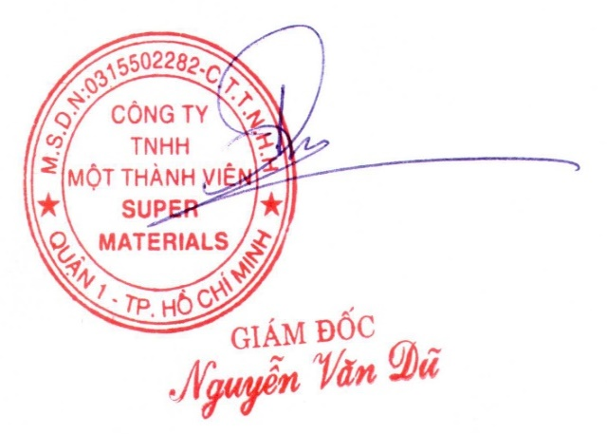
CONFIRMATION OF BUYER |  |  |  | CONFIRMATION OF SELLER

